Exercise 2
Department | Dep_ID | Name | Employee | Employee_ID | Name |  | Project | Project_Code | Project_Title | Manager | Budget | Corrección | Department | Dep_ID | Name | Employee | Employee_ID | Name | Dep_ID | Project | Project_Code | Project_Title | Manager | Budget
 | L004 | ITEM |  | S10001 | A. Smith |  |  | PC010 | S. Pensions | M. Phillips | 24500 |  |  | L004 | ITEM |  | S10001 | A. Smith |  |  | PC010 | S. Pensions | M. Phillips | 24500
 | L008 | Wages |  | S10010 | B. Jones |  |  | PC045 | S. Salaries | H. Martin | 17400 |  |  | L008 | Wages |  | S10010 | B. Jones |  |  | PC045 | S. Salaries | H. Martin | 17400
 | L009 | HR |  | S10030 | L. Jones |  |  | PC064 | HR S. | K. Lewis | 12250 |  |  | L009 | HR |  | S10030 | L. Jones |  |  | PC064 | HR S. | K. Lewis | 12250
 | L023 | Pensions |  | S10034 | B. James |  |  |  |  |  |  |  |  | L023 | Pensions |  | S10034 | B. James
 | L028 | DB |  | S13210 | W. Richards |  |  |  |  |  |  |  |  | L028 | DB |  | S13210 | W. Richards
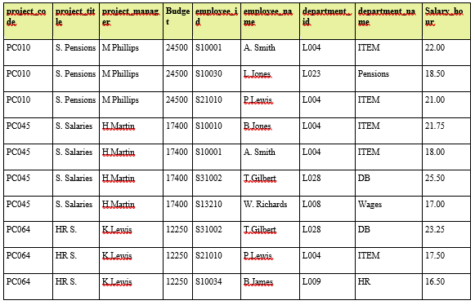
 |  |  |  | S21010 | P. Lewis |  |  |  |  |  |  |  |  |  |  |  | S21010 | P. Lewis
 |  |  |  | S31002 | T. Gilbert |  |  |  |  |  |  |  |  |  |  |  | S31002 | T. Gilbert

 |  |  | Salary A. Smith | Employee_ID | Project_Code | Salary_hour |  |  |  |  |  |  |  |  |  | Salary A. Smith | Employee_ID | Project_Code | Salary_hour
 |  |  |  | S10001 | PC010 | 22 |  |  |  |  |  |  |  |  |  |  | S10001 | PC010 | 22
 |  |  |  | S10001 | PC045 | 18 |  |  |  |  |  |  |  |  |  |  | S10001 | PC045 | 18

 |  |  | Salary B. Jones | Employee_ID | Project_Code | Salary_hour |  |  |  |  |  |  |  |  |  | Salary B. Jones | Employee_ID | Project_Code | Salary_hour
 |  |  |  | S10010 | PC045 | 21.75 |  |  |  |  |  |  |  |  |  |  | S10010 | PC045 | 21.75

 |  |  | Salary L. Jones | Employee_ID | Project_Code | Salary_hour |  |  |  |  |  |  |  |  |  | Salary L. Jones | Employee_ID | Project_Code | Salary_hour
 |  |  |  | S10030 | PC010 | 18.5 |  |  |  |  |  |  |  |  |  |  | S10030 | PC010 | 18.5

 |  |  | Salary B. James | Employee_ID | Project_Code | Salary_hour |  |  |  |  |  |  |  |  |  | Salary B. James | Employee_ID | Project_Code | Salary_hour
 |  |  |  | S10034 | PC064 | 16.5 |  |  |  |  |  |  |  |  |  |  | S10034 | PC064 | 16.5

 |  |  | Salary W. Richards | Employee_ID | Project_Code | Salary_hour |  |  |  |  |  |  |  |  |  | Salary W. Richards | Employee_ID | Project_Code | Salary_hour
 |  |  |  | S13210 | PC045 | 17 |  |  |  |  |  |  |  |  |  |  | S13210 | PC045 | 17

 |  |  | Salary P. Lewis | Employee_ID | Project_Code | Salary_hour |  |  |  |  |  |  |  |  |  | Salary P. Lewis | Employee_ID | Project_Code | Salary_hour
 |  |  |  | S21010 | PC010 | 21 |  |  |  |  |  |  |  |  |  |  | S21010 | PC010 | 21
 |  |  |  | S21010 | PC045 | 17.5 |  |  |  |  |  |  |  |  |  |  | S21010 | PC045 | 17.5

 |  |  | Salary T. Gilbert | Employee_ID | Project_Code | Salary_hour |  |  |  |  |  |  |  |  |  | Salary T. Gilbert | Employee_ID | Project_Code | Salary_hour
 |  |  |  | S31002 | PC045 | 25.5 |  |  |  |  |  |  |  |  |  |  | S31002 | PC045 | 25.5
 |  |  |  | S31002 | PC064 | 23.25 |  |  |  |  |  |  |  |  |  |  | S31002 | PC064 | 23.25

Exercise 3
Employee | Employee_ID | Office_Code | Name | Surname |  | Office | Office_Code | City_Code(ZIP) | City | Phone | Customer | Customer_ID | Name | City_Code
 | 1003 | 202 | Mary | Smith |  |  | 202 | 36….. | Chicago | 312-555-1212 |  | 1 | Ford | 36…
 | 1004 | 215 | John | Hunt |  |  | 215 | 38….. | New York | 212-555-1212 |  | 2 | G. M. | 36…
 | 1005 | 202 | Martin | Hap |  |  |  |  |  |  |  | 3 | Dell | 38…
 |  |  |  |  |  |  |  |  |  |  |  | 4 | H.P. | 38…
 |  |  |  |  |  |  | City_Code(ZIP) | City |  |  |  | 5 | Manzana | 38…
 |  |  |  |  |  |  | 36….. | Chicago |  |  |  | 6 | Boeing | 36…
Transaction | TST_ID | Date&Time |  | Customer_ID | Employee_ID |  | 38….. | New York
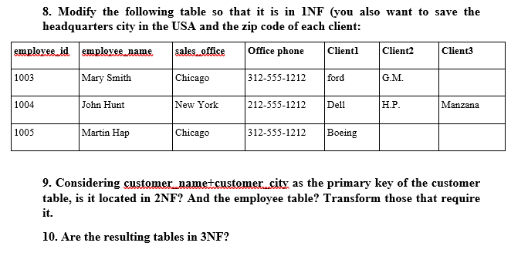
 | 11 | 10/11/2023_11:02:00 |  | 1 | 1003
 | 12 | 10/11/2023_11:02:01 |  | 5 | 1004
 | 13 | 10/11/2023_11:02:02 |  | 4 | 1004
 | 14 | 10/11/2023_11:02:03 |  | 2 | 1003
 | 15 | 10/11/2023_11:02:04 |  | 6 | 1005
 | 16 | 10/11/2023_11:02:05 |  | 3 | 1004

Exercise 4
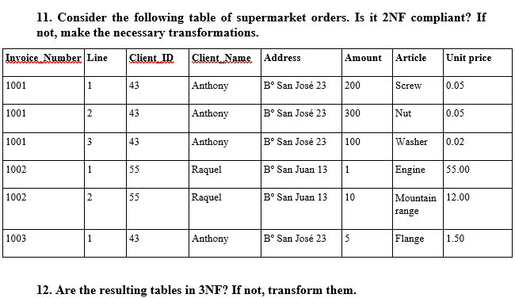
Client_ID | Name | Address | Articles | Article_ID | Name | Unit Price | Transaction | Invoice_Num | Line | Article_ID | Amount | Client_ID
43 | Anthony | Bº San José 23 |  | 23 | Engine | 55 |  | 1001 | 1 | 98 | 200 | 43
55 | Raquel | Bº San Juan 13 |  | 40 | Flange | 1.5 |  | 1001 | 2 | 73 | 300 | 43
 |  |  |  | 65 | Mountain Range | 12 |  | 1001 | 3 | 156 | 100 | 43
 |  |  |  | 73 | Nut | 0.05 |  | 1002 | 1 | 23 | 1 | 55
 |  |  |  | 98 | Screw | 0.05 |  | 1002 | 2 | 65 | 10 | 55
 |  |  |  | 156 | Washer | 0.02 |  | 1003 | 1 | 40 | 5 | 43

Sheet1
Sesion | Sesion _ID | Patient_ID | Doctor_ID | Date&Time | Patient | Patient_ID | Name | Sesion_Num
 | 46 | 1 |  |  |  |  |  | 0
 | 47 | 2 |  |  |  |  |  | 0
 | 48 | 3 |  |  |  |  |  | 1
 | 49 | 4 |  |  |  |  |  | 0
 | 50 | 5 |  |  |  |  |  | 1

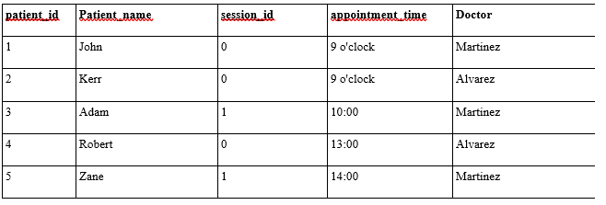

I changed the original sesion_id for sesion_num so I could have the name ID for a primary key, also i think is better this way because the original ID, now num, describes the procedure.

